Hoja2
TABLA DE ALGUNAS VARIABLES ALEATORIAS DISCRETAS Y CONTINUAS

Variale Aleatoria | FMP o FDP | Función Generadora de Momentos | Función Característica | Primer Momento | Segundo Momento
Uniforme Discreta |  |  |  | 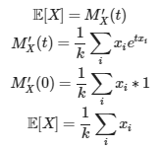
Uniforme Continua |  |  |  | 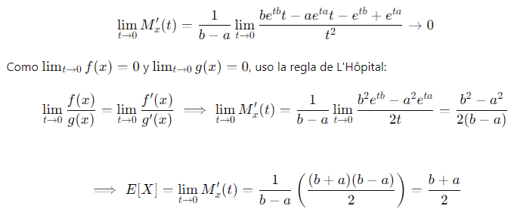 | 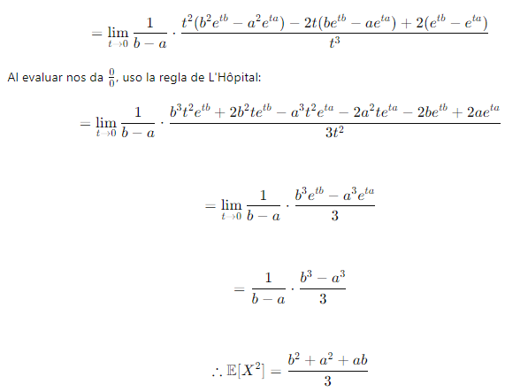
Bernoulli
Exponencial
Binomial |  |  |  |  | 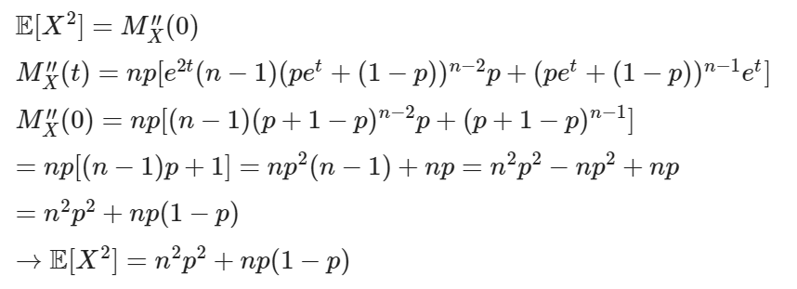
Poisson
Normal
Geométrica |  |  |  | 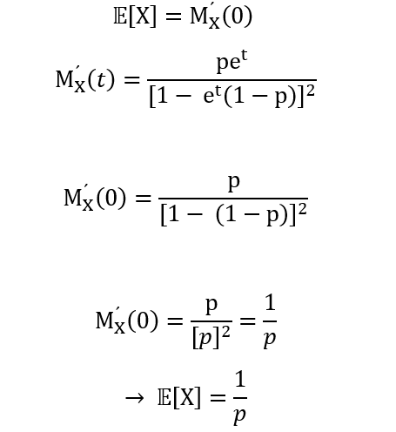 | 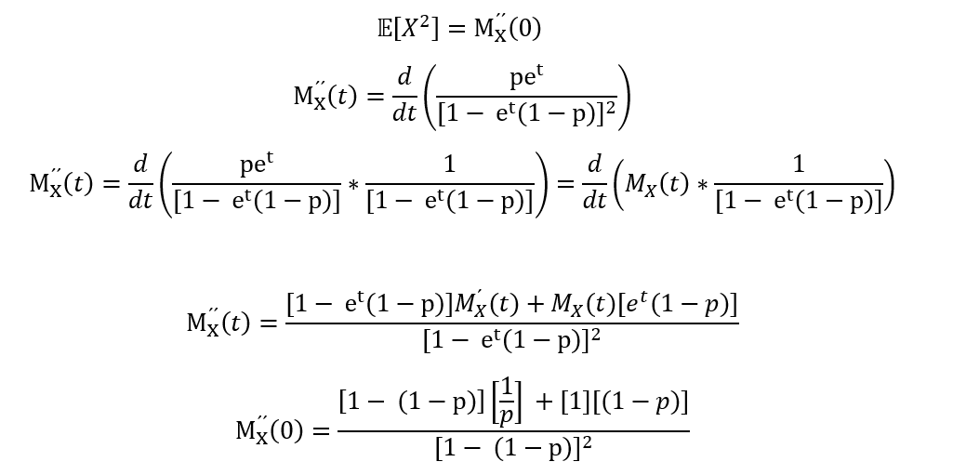
$$P\left(X=x\right)=\left(\frac{x−1}{r−1}\right)p^{r}{(1−p)}^{r−1}, \\ x=r,r+1,…$$
$$M_{X}\left(t\right)={\left(\frac{pe^{t}}{1−(1−p)e^{t}}\right)}^{r}$$
$$Retomando la FMP de una v.a. geométrica tenemos que \\ M_{Y}\left(t\right)=\frac{pe^{t}}{1−(1−p)e^{t}} y 𝔼\left[X\right]=\frac{1}{p}, notemos que M_{X}\left(t\right)={\left(M_{Y}(t)\right)}^{r} \\ Entonces 𝔼\left[X\right]= {M^{′}}_{X}\left(0\right) \\ ={\left(M_{Y}(t)\right)}^{r′}=r{\left(M_{Y}\left(t\right)\right)}^{r−1}{M^{′}}_{Y}\left(t\right) \\ M_{Y}\left(0\right)=𝔼\left(e^{t0}\right)=𝔼\left(1\right)=0, entonces r{\left(M_{Y}\left(0\right)\right)}^{r−1}{M^{′}}_{Y}\left(t\right) \\ =r{(1)}^{r−1}\left(\frac{1}{p}\right)=r\left(\frac{1}{p}\right)=\frac{r}{p} \\ ∴𝔼\left[X\right]=\frac{r}{p}$$
$$Retomemos de la v.a. geométrica que 𝔼\left[Y\right]=\frac{1}{p} y Var\left(Y\right)=\frac{1−p}{p^{2}}, entonces \\ 𝔼\left[X^{2}\right]={M^{′′}}_{X}\left(0\right) \\ {M^{′′}}_{X}\left(t\right)={\left({\left(M_{Y}\left(t\right)\right)}^{r}\right)}^{′′}=\left[r{\left(M_{Y}\left(t\right)\right)}^{r−1}{M^{′}}_{Y}(t)\right] \\ ={\left(r{\left(M_{Y}\left(t\right)\right)}^{r−1}\right)}^{′}{M^{′}}_{Y}\left(t\right)+r{\left(M_{Y}\left(t\right)\right)}^{r−1}{M^{′′}}_{Y}\left(t\right) \\ =r\left(r−1\right){\left(M_{Y}\left(t\right)\right)}^{r−2}{M^{′}}_{Y}\left(t\right){M^{′}}_{Y}\left(t\right)+r{\left(M_{Y}\left(t\right)\right)}^{r−1}{M^{′′}}_{Y}\left(t\right) \\ Evaluando en cero, r\left(r−1\right){\left(M_{Y}\left(0\right)\right)}^{r−2}{M^{′}}_{Y}\left(0\right){M^{′}}_{Y}\left(0\right)+r{\left(M_{Y}\left(0\right)\right)}^{r−1}{M^{′′}}_{Y}\left(0\right) \\ =r\left(r−1\right)\left(1\right)\left(\frac{1}{p}\right)\left(\frac{1}{p}\right)+r\left(1\right)𝔼\left[Y^{2}\right] \\ =r\left(r−1\right)\left(\frac{1}{p^{2}}\right)+r\left[Var\left(Y\right)+𝔼\left[Y\right]\right], ya que Var\left(y\right)=𝔼\left[Y^{2}\right]−{\left(𝔼\left[Y\right]\right)}^{2}, entonces \\ 𝔼\left[Y^{2}\right]=Var\left(Y\right)+{(𝔼\left[Y\right])}^{2} \\ ⇒r\left(r−1\right)\left(\frac{1}{p^{2}}\right)+r\left[Var\left(Y\right)+𝔼\left[Y\right]\right]=\frac{r(r−1)}{p^{2}}+r\left[\frac{(1−p)}{p^{2}}+\frac{1}{p^{2}}\right] \\ 𝔼\left[X^{2}\right]=\frac{r(r−1)}{p^{2}}+r\left[\frac{(1−p)}{p^{2}}+\frac{1}{p^{2}}\right]$$
Binomial Negativa
$$P\left(X=k\right)=\frac{\left(\begin{matrix}K \\ k\end{matrix}\right)\left(\begin{matrix}N−K \\ n−k\end{matrix}\right)}{\left(\begin{matrix}N \\ n\end{matrix}\right)}$$
$$𝔼\left[X\right]=𝔼\left[\sum_{i=1}^{n}{Ii}\right]=\sum_{i=1}^{n}{𝔼\left[I_{i}\right]}$$
$$𝔼\left[I_{i}\right]=\frac{K}{N} ∴ 𝔼\left[X\right]=\sum_{i=1}^{n}{\frac{K}{N}=n∙\frac{K}{N}}∴𝔼\left[X\right]=n∙\frac{K}{N}$$
Var(x)= $𝔼\left[X^{2}\right]−{\left(𝔼\left[X\right]\right)}^{2}$
$$𝔼\left[X^{2}\right]=n\frac{K}{N}+n(n−1)\frac{K(K−1)}{N(N−1)}$$
$Var\left(X\right)=\left[n\frac{K}{N}+n(n−1)\frac{k(K−1)}{N(N−1)}\right]−{\left(n\frac{K}{N}\right)}^{2}$-
$$Var\left(X\right)=n\frac{K}{N}\left(1−\frac{K−1}{N−1}\right)+n(n−1)\frac{K(K−1)}{N(N−1)}$$
$$Var\left(X\right)=n\frac{K}{N}\left(1−\frac{K}{N}\right)\frac{N−n}{N−1}$$
Hipergeométrica

